DoD Fresh Budgeting Planner
 | DoD Fresh Budgeting Planner

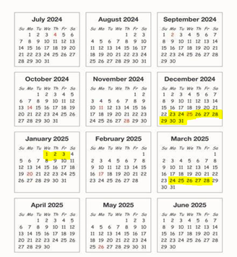

 | Instructions for using the DoD Fresh Budgeting Planner
For instructions on how to
find your DoD Fresh entitlement in WBSCM click here!
For instructions on how to find your DoD Fresh balance in FFAVORS click here!
Highlights in the DoD Fresh Ordering Calendar SY24-25 are potential weeks to consider for closure if your school takes holiday breaks, spring breaks etc.
 | 1) Enter the DoD Fresh Program Budgeting information in the blue boxes on the DoD Fresh Budgeting Planner below. For further instructions follow steps 2-9.
 | 2) Print Entitlement/Bonus Summary Report from WBSCM.
 | 3) Check your DoD Fresh available balance in FFAVORS.
 | 4) Enter the amount allocated to DoD Fresh from the Entitlment/Bonus Summary Report in WBSCM, into the DoD Fresh Budgeting Planner (Line #2).
 | 5) Enter the available balance in FFAVORS into the DoD Fresh Budgeting Planner (Line #3).
 | 6) Enter the approximate date you will place your first DoD Fresh order into the DoD Fresh Budgeting Planner (#1 1st Order).

 | 7) Enter the approxoximate date you will place your last DoD Fresh order into the DoD Fresh Budgeting Planner (#1 Last Order).

The DoD Fresh Budgeting Planner can be revised throughout the school year! To assist you in ensuring you are able to utilize all your DoD Fresh Budget!
 | 8) Determine the number of closed weeks from the date you place your first DoD Fresh order to the date you will place your last DoD Fresh Order (I.e. Spring Break, Christmas) into the DoD Fresh Budgeting Planner (Line #4).
 | 9) Your results will appear in the green boxes on the DoD Fresh Budgeting Planner.

 | DoD Fresh Budgeting Planner | 1st Order | Last Order
1) | Enter the date of your first and last order : |  |  | Insert your schools DoD Fresh information in the blue cells!
2) | How much was your set aside for SY24-25 (allocated in WBSCM): | $-
3) | Enter the total DoD Fresh Funds available in FFAVORS:
4) | Enter the number of weeks closed in SY2024-25:

 | Total Ordering Weeks: | 0 |  | Do not enter information in any of the Green boxes! These boxes will calculate information to assist in your DoD Fresh Budgeting Plan throughout the school year.
 | Total Ordering Months: | 0
 | Targeted Weekly Usage in FFAVORS: | #DIV/0!
 | Targeted Monthly Usage in FFAVORS: | #DIV/0!

