CTE IS Organizational Chart
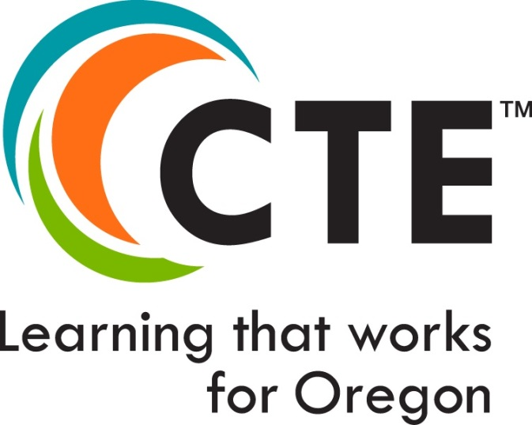
Six Career Learning Areas
Agriculture, Food & Natural Resource Systems | Arts, Information & Communications | Business & Management | Health Sciences | Human Resources | Industrial & Engineering Systems

Agriculture, Food & Natural Resources Cluster | Arts, A/V Technology & Communications Cluster | Business, Management & Administration Cluster | Health Sciences Cluster | Education & Training Cluster | Architecture & Construction Cluster
Agriculture, General - 01.0000 | Digital Arts, General - 50.0102 | Cluster Level: Business, Management & Administration, General - 52.0201 | Health Sciences, General - 51.0000 | Cluster Level: Education and Training, General - 13.0101 | Cluster Level: Architecture & Construction, General - 46.0000
Agribusiness Systems - 01.0101 | Animation, Interactive Technology, Video Graphics and Special Effects - 10.0304 | Administrative Support** - 52.0204 | Biotechnology Research & Development - 26.1201 | Teacher Education Training - 13.1206 | Carpentry - 46.0201
Animal Systems - 01.0901 | Film & Video - 50.0602 | Human Resources Management** - 52.1001 | Emergency Services (EMT) - 51.0904 | Early Childhood Education - 13.1210 | Architectural Design (previously called Design/Pre-Construction)- 15.1301
Environmental Services - 03.0104 | Journalism & Broadcasting - 09.0402 | Business Information Management** - 52.1201 | Public Health - 51.2201 |  | Masonry - 46.0101
Forestry & Forest Products - 03.0501 | Performing Arts - 50.0101 | Small Business Management** - 52.0701 |  | Government & Public Administration Cluster | Plumbing - 46.0503
Natural Resources Systems - 03.0101 | Technical Design & Production - 50.0502 | Operations Management** - 52.0401 |  |  | Electrical - 46.0302
Plant Systems - 01.0601 | Fine/Studio Arts - 50.0702 |  |  | Public Management & Administration, General - 44.0401 | Heating, Ventilation, and Air Conditioning - 47.0201
Power, Structure and Technology (Ag Mechanics) - 01.0201 |  | Finance Cluster |  | Legal Services - 22.0000
 | Information & Communications Technology Cluster* | Finance and Accounting - 52.0304 |  |  | Engineering Technology Cluster
 |  | Accounting - 52.0301 |  | Human Services Cluster | Engineering Technology, General - 14.0101
 | Cluster Level: Information & Technology, General - 11.0103 | Banking Services - 52.0803 |  | Human Services, General - 44.0000 | Electrical Systems - 15.0303
 | Computer Programming/Coding (previously titled Programming & Software Development) - 11.0201 |  |  | Personal Care Services - 12.0401 | Mechanical Systems - 15.0805
 | Information Technology, Networks and Cybersecurity - 11.1003 | Hospitality & Tourism Cluster |  |  | Mechatronics - 14.4201
 | Web & Digital Communications** - 11.0801 | Hospitality & Tourism, General - 52.0901 |  | Law, Public Safety & Security Cluster
 |  | Restaurants, Food & Beverage Services - 12.0504 |  | Cluster Level: Law, Public Safety & Security, General - 43.0104 | Manufacturing Cluster
 |  | Travel & Tourism - 52.0906 |  | Emergency Fire Management Services - 43.0203 | Cluster Level: Manufacturing, General - 48.0000
 |  |  |  | Corrections Services - 43.0102 | Machining - 48.0501
 |  | Marketing Cluster |  | Law Enforcement Services - 43.0107 | Welding - 480508
 |  | Marketing, General - 52.1401 |  |  | Woodworking** - 48.0700
 |  |  |  |  | Mechanical CAD/Drafting** - 15.1302

 |  |  |  |  | Automotive and Heavy Equipment Cluster

 |  |  |  |  | Cluster Level: Automotive and Heavy Equipment, General - 47.0000
 |  |  |  |  | Automotive Service Technology - 47.0600
 |  |  |  |  | Collision Repair and Refinishing - 47.0603
 |  |  |  |  | Heavy Equipment Service Technology - 47.0605
 |  |  |  |  | Marine Transportation** - 49.0399
 |  |  |  |  | Aeronautics** - 49.0101

As of March 2023, the following career cluster areas have updated Knowledge and Skill Sets: Information & Communications Technology; Business, Management and Administration; Architecture and Construction; Manufacturing; Education and Training, Automotive and Heavy Equipment; Law, Public Safety, and Security; Natural Resources.

**These focus areas are not part of the statewide model and do not have a statewide framework option. |  |  |  | https://www.oregon.gov/ode/learning-options/CTE/resources/Pages/CTE-Oregon-Skill-Sets.aspx

