Sub-Basin Map
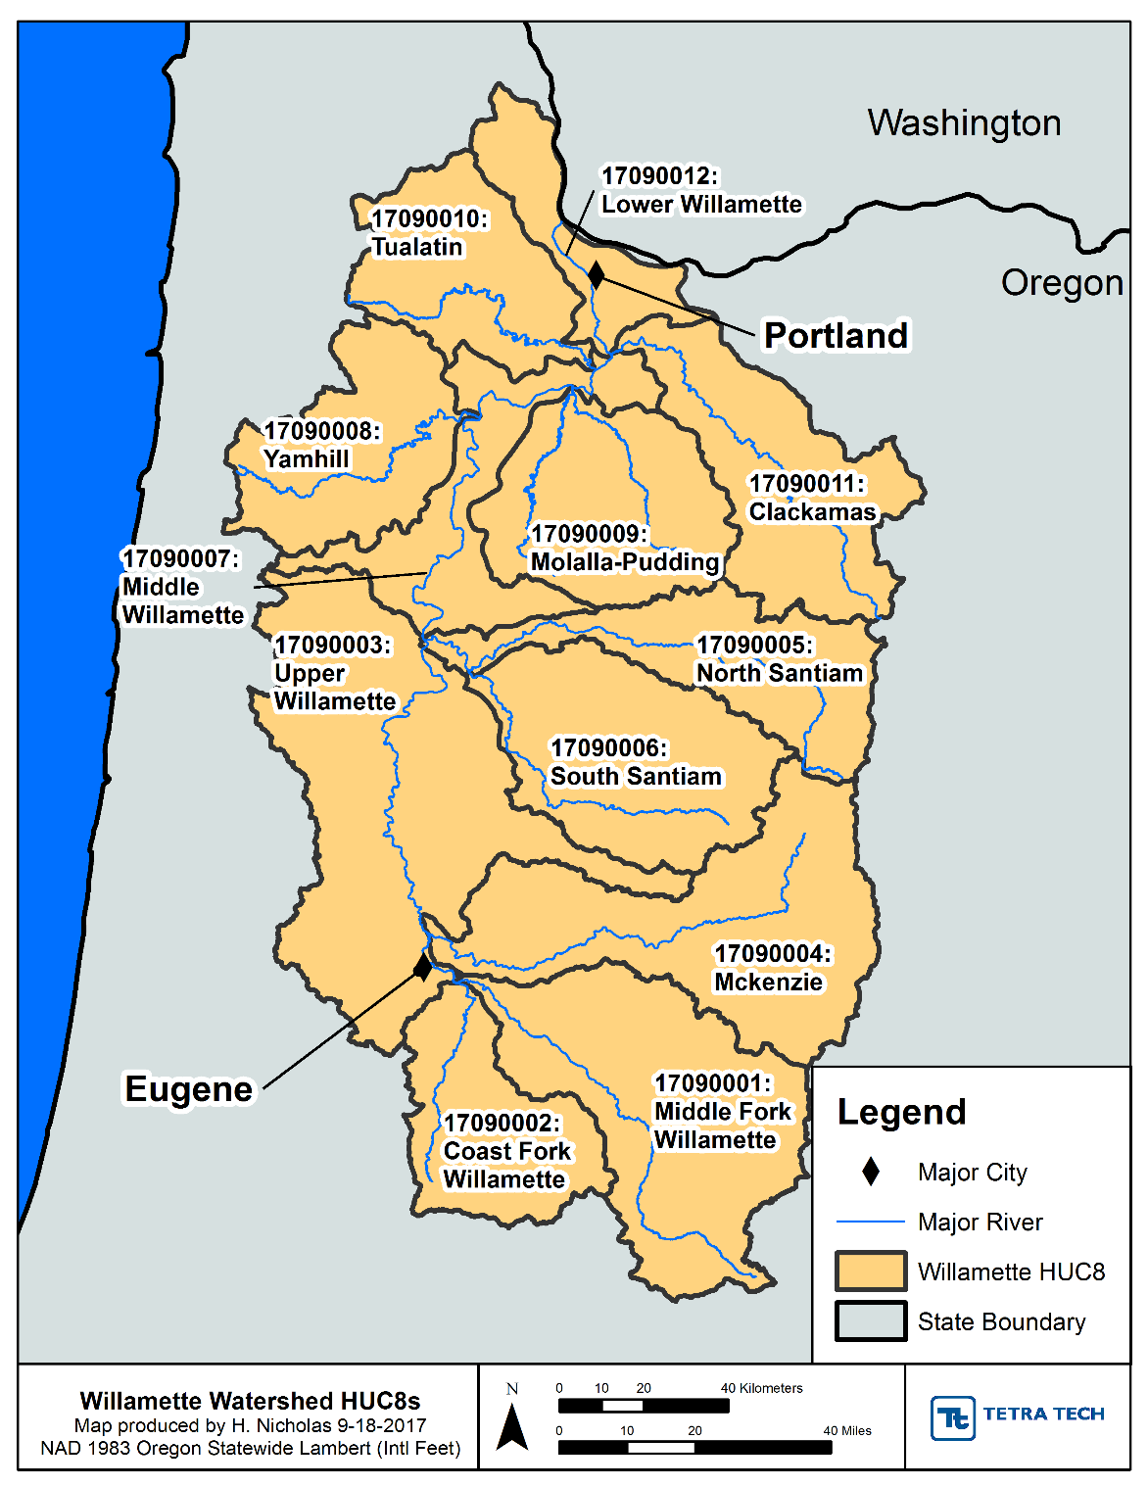
Sub-Basin Map
Map of sub-basins of Willamette Basin

Flowchart
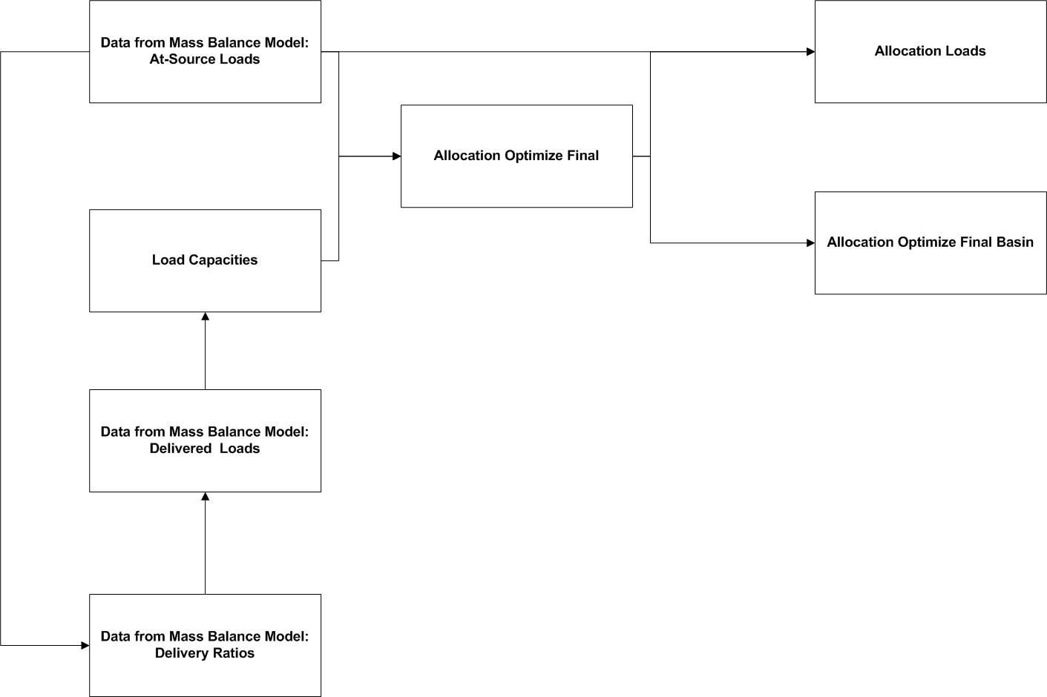
Flowchart
Shows the general flow of calculations among the individual sheets.

